Picture
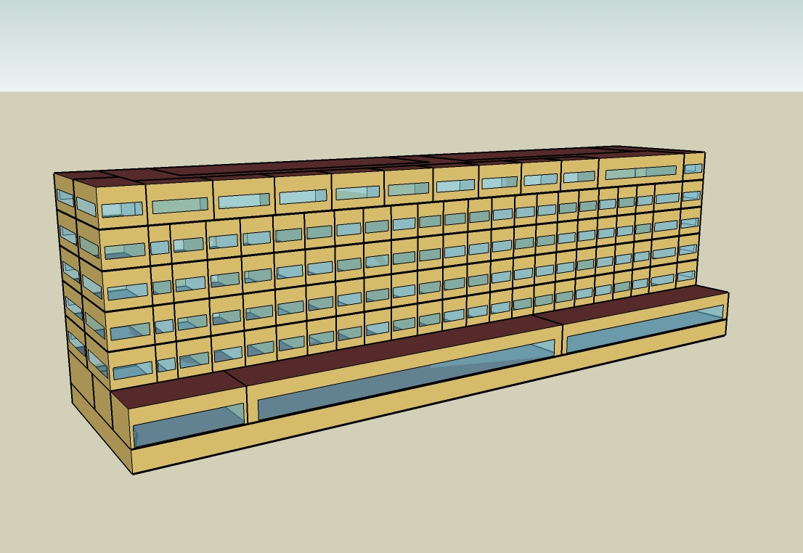
DOE Commercial Building Benchmark - Large Hotel

Electricity
 |  | Electric Utility Rates | Average Annual Rate ($/kWh) | Total Cost ($/m2) | Average Annual Rate ($/MJ) | Total Cost ($/m2) | Heating
Miami |  |  | 0.07233 | 47.67 | 0.01145 | 5.35 | 400.00
Houston |  |  | 0.09851 | 53.92 | 0.00817 | 5.08 | 341.67
Phoenix |  |  | 0.06665 | 35.13 | 0.00854 | 4.61 | 1,311.11
Atlanta |  |  | 0.09930 | 45.34 | 0.01062 | 8.25 | 119.44
Los Angeles |  |  | 0.04136 | 17.08 | 0.00841 | 5.43 | 27.78
Las Vegas |  |  | 0.08631 | 36.09 | 0.00807 | 5.13 | 858.33
San Francisco |  |  | 0.12326 | 39.62 | 0.00842 | 6.54 | 0.00
Baltimore |  |  | 0.05619 | 24.13 | 0.01001 | 9.34 | 58.33
Albuquerque |  |  | 0.03698 | 12.24 | 0.00716 | 6.01 | 152.78
Seattle |  |  | 0.06615 | 20.87 | 0.00830 | 7.80 | 0.00
Chicago |  |  | 0.09623 | 37.77 | 0.00881 | 9.59 | 86.11
Boulder |  |  | 0.03698 | 11.79 | 0.00716 | 7.06 | 72.22
Minneapolis |  |  | 0.05297 | 20.19 | 0.00796 | 9.81 | 175.00
Helena |  |  | 0.06908 | 21.09 | 0.00866 | 10.06 | 205.56
Duluth |  |  | 0.05353 | 17.68 | 0.00796 | 11.23 | 175.00
Fairbanks |  |  | 0.08984 | 24.40 | 0.00418 | 7.71 | 1,169.44

Gas
 | Interior Equipment | Heat Rejection | Gas (MJ)
Miami | 542,272.22 | 0.00
Houston | 542,272.22 | 0.00
Phoenix | 542,272.22 | 0.00
Atlanta | 542,272.22 | 0.00
Los Angeles | 542,272.22 | 0.00
Las Vegas | 542,272.22 | 0.00
San Francisco | 542,272.22 | 0.00
Baltimore | 542,272.22 | 0.00
Albuquerque | 542,272.22 | 0.00
Seattle | 542,272.22 | 0.00
Chicago | 542,272.22 | 0.00
Boulder | 542,272.22 | 0.00
Minneapolis | 542,272.22 | 0.00
Helena | 542,272.22 | 0.00
Duluth | 542,272.22 | 0.00
Fairbanks | 542,272.22 | 0.00

EUI
 | Pumps | Heat Rejection | Humidification | Heat Recovery | Refrigeration | Generators | Heating (elec) | Interior Equipment (elec) | Heat Rejection (elec) | Gas (MJ/m2)
Miami | 0.00 | 0.00 | 0.00 | 0.00 | 0.00 | 0.00 | 0.13 | 172.07 | 0.00
Houston | 0.00 | 0.00 | 0.00 | 0.00 | 0.00 | 0.00 | 0.11 | 172.07 | 0.00
Phoenix | 0.00 | 0.00 | 0.00 | 0.00 | 0.00 | 0.00 | 0.42 | 172.07 | 0.00
Atlanta | 0.00 | 0.00 | 0.00 | 0.00 | 0.00 | 0.00 | 0.04 | 172.07 | 0.00
Los Angeles | 0.00 | 0.00 | 0.00 | 0.00 | 0.00 | 0.00 | 0.01 | 172.07 | 0.00
Las Vegas | 0.00 | 0.00 | 0.00 | 0.00 | 0.00 | 0.00 | 0.27 | 172.07 | 0.00
San Francisco | 0.00 | 0.00 | 0.00 | 0.00 | 0.00 | 0.00 | 0.00 | 172.07 | 0.00
Baltimore | 0.00 | 0.00 | 0.00 | 0.00 | 0.00 | 0.00 | 0.02 | 172.07 | 0.00
Albuquerque | 0.00 | 0.00 | 0.00 | 0.00 | 0.00 | 0.00 | 0.05 | 172.07 | 0.00
Seattle | 0.00 | 0.00 | 0.00 | 0.00 | 0.00 | 0.00 | 0.00 | 172.07 | 0.00
Chicago | 0.00 | 0.00 | 0.00 | 0.00 | 0.00 | 0.00 | 0.03 | 172.07 | 0.00
Boulder | 0.00 | 0.00 | 0.00 | 0.00 | 0.00 | 0.00 | 0.02 | 172.07 | 0.00
Minneapolis | 0.00 | 0.00 | 0.00 | 0.00 | 0.00 | 0.00 | 0.06 | 172.07 | 0.00
Helena | 0.00 | 0.00 | 0.00 | 0.00 | 0.00 | 0.00 | 0.07 | 172.07 | 0.00
Duluth | 0.00 | 0.00 | 0.00 | 0.00 | 0.00 | 0.00 | 0.06 | 172.07 | 0.00
Fairbanks | 0.00 | 0.00 | 0.00 | 0.00 | 0.00 | 0.00 | 0.37 | 172.07 | 0.00

Water
 | Aug
Miami | 0.00
Houston | 0.00
Phoenix | 0.00
Atlanta | 0.00
Los Angeles | 0.00
Las Vegas | 0.00
San Francisco | 0.00
Baltimore | 0.00
Albuquerque | 0.00
Seattle | 0.00
Chicago | 0.00
Boulder | 0.00
Minneapolis | 0.00
Helena | 0.00
Duluth | 0.00
Fairbanks | 0.00

Carbon
 | Oct
Miami | 0.00
Houston | 0.00
Phoenix | 0.00
Atlanta | 0.00
Los Angeles | 0.00
Las Vegas | 0.00
San Francisco | 0.00
Baltimore | 0.00
Albuquerque | 0.00
Seattle | 0.00
Chicago | 0.00
Boulder | 0.00
Minneapolis | 0.00
Helena | 0.00
Duluth | 0.00
Fairbanks | 0.00

LghtSch
Lighting Schedules
 | Weekday | Saturday | Sunday
 | 0.2 | 0.2 | 0.3
 | 0.15 | 0.2 | 0.3
 | 0.1 | 0.1 | 0.2
 | 0.1 | 0.1 | 0.2
 | 0.1 | 0.1 | 0.2
 | 0.2 | 0.1 | 0.2
 | 0.4 | 0.3 | 0.3
 | 0.5 | 0.3 | 0.4
 | 0.4 | 0.4 | 0.4
 | 0.4 | 0.4 | 0.3
 | 0.25 | 0.3 | 0.3
 | 0.25 | 0.25 | 0.3
 | 0.25 | 0.25 | 0.3
 | 0.25 | 0.25 | 0.2
 | 0.25 | 0.25 | 0.2
 | 0.25 | 0.25 | 0.2
 | 0.25 | 0.25 | 0.2
 | 0.25 | 0.25 | 0.2
 | 0.6 | 0.6 | 0.5
 | 0.8 | 0.7 | 0.7
 | 0.9 | 0.7 | 0.8
 | 0.8 | 0.7 | 0.6
 | 0.6 | 0.6 | 0.5
 | 0.3 | 0.3 | 0.3

RmLghtSch
Guest Room Lighting Schedules
 | Weekday | Weekend
 | 0.22 | 0.26
 | 0.17 | 0.26
 | 0.11 | 0.11
 | 0.11 | 0.11
 | 0.11 | 0.11
 | 0.22 | 0.11
 | 0.44 | 0.41
 | 0.56 | 0.41
 | 0.44 | 0.56
 | 0.44 | 0.56
 | 0.28 | 0.41
 | 0.28 | 0.33
 | 0.28 | 0.33
 | 0.28 | 0.33
 | 0.28 | 0.33
 | 0.28 | 0.33
 | 0.28 | 0.33
 | 0.28 | 0.33
 | 0.67 | 0.85
 | 0.89 | 1
 | 1 | 1
 | 0.89 | 1
 | 0.67 | 0.85
 | 0.33 | 0.41

EqpSch
Equipment Schedules
 | Weekday | Saturday | Sunday
 | 0.3 | 0.3 | 0.4
 | 0.25 | 0.3 | 0.4
 | 0.2 | 0.2 | 0.3
 | 0.2 | 0.2 | 0.3
 | 0.2 | 0.2 | 0.3
 | 0.3 | 0.2 | 0.3
 | 0.5 | 0.4 | 0.4
 | 0.6 | 0.4 | 0.5
 | 0.5 | 0.5 | 0.5
 | 0.5 | 0.5 | 0.4
 | 0.35 | 0.4 | 0.4
 | 0.35 | 0.35 | 0.4
 | 0.35 | 0.35 | 0.4
 | 0.35 | 0.35 | 0.3
 | 0.35 | 0.35 | 0.3
 | 0.35 | 0.35 | 0.3
 | 0.35 | 0.35 | 0.3
 | 0.35 | 0.35 | 0.3
 | 0.7 | 0.7 | 0.6
 | 0.9 | 0.8 | 0.8
 | 0.95 | 0.8 | 0.9
 | 0.9 | 0.8 | 0.7
 | 0.7 | 0.7 | 0.6
 | 0.4 | 0.4 | 0.4

RmEqpSch
Guest Room Equipment Schedules
 | Weekday | Weekend
 | 0.2 | 0.2
 | 0.2 | 0.2
 | 0.2 | 0.2
 | 0.2 | 0.2
 | 0.2 | 0.2
 | 0.2 | 0.2
 | 0.62 | 0.3
 | 0.9 | 0.62
 | 0.43 | 0.9
 | 0.43 | 0.62
 | 0.26 | 0.29
 | 0.26 | 0.29
 | 0.26 | 0.29
 | 0.26 | 0.29
 | 0.26 | 0.29
 | 0.26 | 0.29
 | 0.26 | 0.29
 | 0.51 | 0.43
 | 0.51 | 0.51
 | 0.49 | 0.49
 | 0.66 | 0.66
 | 0.7 | 0.7
 | 0.35 | 0.35
 | 0.2 | 0.2

OccSch
Occupancy Schedules
 | Weekday | Saturday | Sunday
 | 0.9 | 0.9 | 0.7
 | 0.9 | 0.9 | 0.7
 | 0.9 | 0.9 | 0.7
 | 0.9 | 0.9 | 0.7
 | 0.9 | 0.9 | 0.7
 | 0.9 | 0.9 | 0.7
 | 0.7 | 0.7 | 0.7
 | 0.4 | 0.5 | 0.7
 | 0.4 | 0.5 | 0.5
 | 0.2 | 0.3 | 0.5
 | 0.2 | 0.3 | 0.5
 | 0.2 | 0.3 | 0.3
 | 0.2 | 0.3 | 0.3
 | 0.2 | 0.3 | 0.2
 | 0.2 | 0.3 | 0.2
 | 0.3 | 0.3 | 0.2
 | 0.5 | 0.3 | 0.3
 | 0.5 | 0.5 | 0.4
 | 0.5 | 0.6 | 0.4
 | 0.7 | 0.6 | 0.6
 | 0.7 | 0.6 | 0.6
 | 0.8 | 0.7 | 0.8
 | 0.9 | 0.7 | 0.8
 | 0.9 | 0.7 | 0.8

RmOccSch
Occupancy Schedules
 | Weekday | Weekend
 | 0.65 | 0.65
 | 0.65 | 0.65
 | 0.65 | 0.65
 | 0.65 | 0.65
 | 0.65 | 0.65
 | 0.65 | 0.65
 | 0.5 | 0.5
 | 0.28 | 0.34
 | 0.28 | 0.34
 | 0.13 | 0.2
 | 0.13 | 0.2
 | 0.13 | 0.2
 | 0.13 | 0.2
 | 0.13 | 0.2
 | 0.13 | 0.2
 | 0.2 | 0.2
 | 0.35 | 0.2
 | 0.35 | 0.34
 | 0.35 | 0.35
 | 0.5 | 0.65
 | 0.5 | 0.65
 | 0.58 | 0.5
 | 0.65 | 0.5
 | 0.65 | 0.5

HeatSch
Heating Set Point Schedules
 | 16
 | 16
 | 16
 | 16
 | 16
 | 16
 | 16
 | 21
 | 21
 | 21
 | 21
 | 21
 | 21
 | 21
 | 21
 | 21
 | 21
 | 21
 | 21
 | 21
 | 21
 | 21
 | 21
 | 21

CoolSch
Cooling Set Point Schedules
 | 30
 | 30
 | 30
 | 30
 | 30
 | 30
 | 30
 | 24
 | 24
 | 24
 | 24
 | 24
 | 24
 | 24
 | 24
 | 24
 | 24
 | 24
 | 24
 | 24
 | 24
 | 24
 | 24
 | 24

